Dashboard
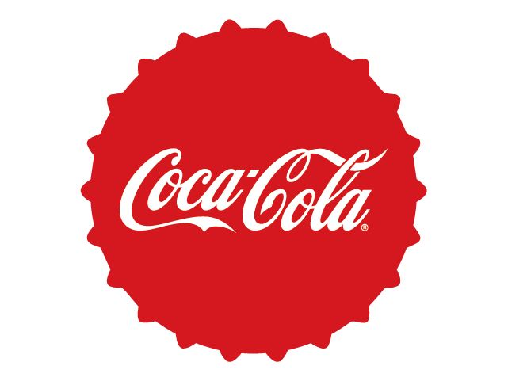
Coca-Cola USA Retailer Dashboard
Figures in USD

Total Sales
Unit Sold
2,47,88,610
Average Price
$0.45
Total Operating Profit
This Photo by Unknown Author is licensed under CC BY
1,20,16,665
47,22,497

Sales by Bevarage Brand |  |  |  | Sales by Retailer
Brand Sales 2022 Sales 2023 Variance
Retailer Sales 2022 Sales 2023 Variance
Coca-Cola | 499,102 | 2,268,975 | 1,769,873 | Amazon | 276,210 | 1,009,699 | 733,489
Dasani Water | 469,271 | 1,917,828 | 1,448,557 | BevCo | 466,788 | 2,327,607 | 1,860,819
Diet Coke | 423,759 | 1,633,959 | 1,210,201 | FizzyCo | 161,210 | 2,262,827 | 2,101,617
Fanta | 315,489 | 1,116,063 | 800,574 | Target | 9,250 | 1,341,995 | 1,332,745
Powerade | 349,534 | 1,302,529 | 952,995 | Walmart | 339,913 | 580,211 | 240,299
Sprite | 366,578 | 1,353,578 | 987,000 | West Soda | 1,170,362 | 2,070,594 | 900,233
Total | 2,423,733 | 9,592,933 | 7,169,200 | Total | 2,423,732 | 9,592,933 | 7,169,200

Sales and Operating Profit Margin by Quarter
 | Sales | Operating Profit Margin
Qtr1 | 69277610% | 15869%
Qtr2 | 64420390% | 11400%
Qtr3 | 71917040% | 13908%
Qtr4 | 36758210% | 11389%
Qtr1 | 187758430% | 85147%
Qtr2 | 237942480% | 90001%
Qtr3 | 280575250% | 91809%
Qtr4 | 253017090% | 88579%

